S Str&Pad
Vietnam |  |  | perc_baseline |  | perc_target |  | RR_d | RR_i | perc_fatal_side | perc_nonfatal_side |  |  |  | lcl_bl_deaths | lcl_bl_nonfatal |  | affected_deaths | rest_deaths | affected_deaths= affected_deaths* (1 - `prop_target'*(1-`RR_d'))/(1 - `prop_baseline'*(1-`RR_d'))
REG | TECHNOLOGY |  | CURRENT AVAILABILITY | INTERVENTION | COUNTERFACTUAL USE | Affected Groups | RELATIVE RISK (death) | RELATIVE RISK (injury) | PROP. OF SIDE CRASHES (death) | PROP OF SIDE CRASHES (injuries) | POPULATION AFFECTED |  |  | BASELINE DEATHS | BASELINE INJURIES | AFFECTED GROUP | AFFECTED DEATHS |  | INTERVENTION
UN 95, UN 135 | SIDE STR&PADD |  | 0 | SIDE STRUCTURE IN ALL CAR, TRUCK, BUS | 1 | Occupants | 0.79 | 0.79 | 0.25 | 0.337
 |  |  |  |  |  |  |  |  |  |  | Cause | Sex | Age | Deaths | Injuries | NO=0 / YES=1 | Deaths | Deaths | Deaths
 |  |  |  |  |  |  |  |  |  |  | Pedestrian | Male | <5 years | 12 | 273 | 0 | 11.89 | 0.00 | 12
 |  |  |  |  |  |  |  |  |  |  | Pedestrian | Male | 5-9 years | 21 | 1253 | 0 | 21.31 | 0.00 | 21
 |  |  |  |  |  |  |  |  |  |  | Pedestrian | Male | 10-14 years | 26 | 2312 | 0 | 25.77 | 0.00 | 26
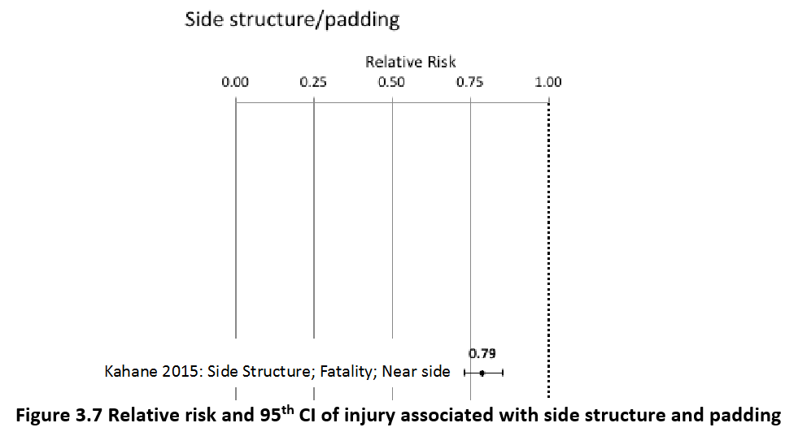
 |  |  |  |  |  |  |  |  |  |  | Pedestrian | Male | 15-19 years | 47 | 4669 | 0 | 47.08 | 0.00 | 47
 |  |  |  |  |  |  |  |  |  |  | Pedestrian | Male | 20-24 years | 70 | 6460 | 0 | 69.88 | 0.00 | 70
 |  |  |  |  |  |  |  |  |  |  | Pedestrian | Male | 25-29 years | 57 | 7077 | 0 | 56.99 | 0.00 | 57
 |  |  |  |  |  |  |  |  |  |  | Pedestrian | Male | 30-34 years | 68 | 6153 | 0 | 68.39 | 0.00 | 68
 |  |  |  |  |  |  |  |  |  |  | Pedestrian | Male | 35-39 years | 71 | 5359 | 0 | 70.87 | 0.00 | 71
 |  |  |  |  |  |  |  |  |  |  | Pedestrian | Male | 40-44 years | 83 | 4849 | 0 | 83.26 | 0.00 | 83
 |  |  |  |  |  |  |  |  |  |  | Pedestrian | Male | 45-49 years | 132 | 4508 | 0 | 131.83 | 0.00 | 132
 |  |  |  |  |  |  |  |  |  |  | Pedestrian | Male | 50-54 years | 162 | 3765 | 0 | 161.56 | 0.00 | 162
 |  |  |  |  |  |  |  |  |  |  | Pedestrian | Male | 55-59 years | 158 | 3175 | 0 | 157.60 | 0.00 | 158
 |  |  |  |  |  |  |  |  |  |  | Pedestrian | Male | 60-64 years | 172 | 2082 | 0 | 172.46 | 0.00 | 172
 |  |  |  |  |  |  |  |  |  |  | Pedestrian | Male | 65-69 years | 127 | 877 | 0 | 126.87 | 0.00 | 127
 |  |  |  |  |  |  |  |  |  |  | Pedestrian | Male | 70-74 years | 89 | 501 | 0 | 89.21 | 0.00 | 89
 |  |  |  |  |  |  |  |  |  |  | Pedestrian | Male | 75-79 years | 115 | 477 | 0 | 114.98 | 0.00 | 115
 |  |  |  |  |  |  |  |  |  |  | Pedestrian | Male | 80-84 years | 81 | 266 | 0 | 80.78 | 0.00 | 81
 |  |  |  |  |  |  |  |  |  |  | Pedestrian | Male | 85+ | 53 | 75 | 0 | 52.53 | 0.00 | 53
 |  |  |  |  |  |  |  |  |  |  | Pedestrian | Female | <5 years | 5 | 453 | 0 | 4.96 | 0.00 | 5
 |  |  |  |  |  |  |  |  |  |  | Pedestrian | Female | 5-9 years | 9 | 1361 | 0 | 8.92 | 0.00 | 9
 |  |  |  |  |  |  |  |  |  |  | Pedestrian | Female | 10-14 years | 10 | 2541 | 0 | 9.91 | 0.00 | 10
 |  |  |  |  |  |  |  |  |  |  | Pedestrian | Female | 15-19 years | 25 | 4738 | 0 | 25.27 | 0.00 | 25
 |  |  |  |  |  |  |  |  |  |  | Pedestrian | Female | 20-24 years | 26 | 5596 | 0 | 26.27 | 0.00 | 26
 |  |  |  |  |  |  |  |  |  |  | Pedestrian | Female | 25-29 years | 26 | 4873 | 0 | 25.77 | 0.00 | 26
 |  |  |  |  |  |  |  |  |  |  | Pedestrian | Female | 30-34 years | 32 | 4451 | 0 | 32.21 | 0.00 | 32
 |  |  |  |  |  |  |  |  |  |  | Pedestrian | Female | 35-39 years | 35 | 3996 | 0 | 34.69 | 0.00 | 35
 |  |  |  |  |  |  |  |  |  |  | Pedestrian | Female | 40-44 years | 32 | 3086 | 0 | 32.21 | 0.00 | 32
 |  |  |  |  |  |  |  |  |  |  | Pedestrian | Female | 45-49 years | 47 | 2900 | 0 | 47.08 | 0.00 | 47
 |  |  |  |  |  |  |  |  |  |  | Pedestrian | Female | 50-54 years | 70 | 3293 | 0 | 70.37 | 0.00 | 70
 |  |  |  |  |  |  |  |  |  |  | Pedestrian | Female | 55-59 years | 79 | 3811 | 0 | 78.80 | 0.00 | 79
 |  |  |  |  |  |  |  |  |  |  | Pedestrian | Female | 60-64 years | 103 | 3414 | 0 | 103.08 | 0.00 | 103
 |  |  |  |  |  |  |  |  |  |  | Pedestrian | Female | 65-69 years | 85 | 2204 | 0 | 84.74 | 0.00 | 85
 |  |  |  |  |  |  |  |  |  |  | Pedestrian | Female | 70-74 years | 80 | 1466 | 0 | 80.28 | 0.00 | 80
 |  |  |  |  |  |  |  |  |  |  | Pedestrian | Female | 75-79 years | 93 | 1334 | 0 | 92.67 | 0.00 | 93
 |  |  |  |  |  |  |  |  |  |  | Pedestrian | Female | 80-84 years | 71 | 1103 | 0 | 70.87 | 0.00 | 71
...
Vietnam |  |  | perc_baseline |  | perc_target |  | RR_d | RR_i | perc_fatal_side | perc_nonfatal_side
TOTAL | 24130 | 1318438 | 23978 | 1290446
 |  | Red.Per. | 0.0063 | 0.021231 |  |  |  |  |  |  | Bicyclist | Male | 50-54 years | 83
 |  |  |  |  |  |  |  |  |  |  | Bicyclist | Male | 55-59 years | 86
SIDE STR&PADD | BASELINE DEATHS | BASELINE INJURIES | SIDE STR&PADD | SIDE STR&PADD |  |  |  |  |  |  | Bicyclist | Male | 60-64 years | 85
Pedestrian | 2413 | 105475 | 2413 | 105475 |  |  |  |  |  |  | Bicyclist | Male | 65-69 years | 58
Bicyclist | 724 | 39553 | 724 | 39553 |  |  |  |  |  |  | Bicyclist | Male | 70-74 years | 32
Motorcyclist | 17856 | 777878 | 17856 | 777878 |  |  |  |  |  |  | Bicyclist | Male | 75-79 years | 5
Occupant | 2896 | 395531 | 2744 | 367540 |  |  |  |  |  |  | Bicyclist | Male | 80-84 years | 4
Other | 241 | 0 | 241 | 0 |  |  |  |  |  |  | Bicyclist | Male | 85+ | 6
TOTAL | 24130 | 1318438 | 23978 | 1290446 |  |  |  |  |  |  | Bicyclist | Female | <5 years | 1
Vietnam
 | BASELINE DEATHS | SIDE STR&PADD
Pedestrian | 2413 | 2413
Bicyclist | 724 | 724
Motorized Two Wheeler | 17856 | 17856
Motorized Three Wheeler | 0 | 0
Car | 2896 | 2744
Bus | 0 | 0
Truck | 0 | 0
Other | 241 | 241
 |  |  |  |  |  |  |  |  |  |  | Bicyclist | Female | 5-9 years | 2
Vietnam
 | BASELINE INJURIES | SIDE STR&PADD
Pedestrian | 105475 | 105475
Bicyclist | 39553 | 39553
Motorized Two Wheeler | 777878 | 777878
Motorized Three Wheeler | 0 | 0
Car | 395531 | 367540
Bus | 0 | 0
Truck | 0 | 0
Other | 0 | 0
 |  |  |  |  |  |  |  |  |  |  | Bicyclist | Female | 10-14 years | 2
 |  |  |  |  |  |  |  |  |  |  | Bicyclist | Female | 15-19 years | 4
 |  |  |  |  |  |  |  |  |  |  | Bicyclist | Female | 20-24 years | 5
 |  |  |  |  |  |  |  |  |  |  | Bicyclist | Female | 25-29 years | 6
 |  |  |  |  |  |  |  |  |  |  | Bicyclist | Female | 30-34 years | 9
 |  |  |  |  |  |  |  |  |  |  | Bicyclist | Female | 35-39 years | 8
 |  |  |  |  |  |  |  |  |  |  | Bicyclist | Female | 40-44 years | 9
 |  |  |  |  |  |  |  |  |  |  | Bicyclist | Female | 45-49 years | 11
 |  |  |  |  |  |  |  |  |  |  | Bicyclist | Female | 50-54 years | 13
 |  |  |  |  |  |  |  |  |  |  | Bicyclist | Female | 55-59 years | 15
 |  |  |  |  |  |  |  |  |  |  | Bicyclist | Female | 60-64 years | 15
 |  |  |  |  |  |  |  |  |  |  | Bicyclist | Female | 65-69 years | 14
 |  |  |  |  |  |  |  |  |  |  | Bicyclist | Female | 70-74 years | 9
 |  |  |  |  |  |  |  |  |  |  | Bicyclist | Female | 75-79 years | 2
 |  |  |  |  |  |  |  |  |  |  | Bicyclist | Female | 80-84 years | 2
 |  |  |  |  |  |  |  |  |  |  | Bicyclist | Female | 85+ | 4
 |  |  |  |  |  |  |  |  |  |  | Motorized Two Wheeler | Male | <5 years | 63
 |  |  |  |  |  |  |  |  |  |  | Motorized Two Wheeler | Male | 5-9 years | 75
 |  |  |  |  |  |  |  |  |  |  | Motorized Two Wheeler | Male | 10-14 years | 155
 |  |  |  |  |  |  |  |  |  |  | Motorized Two Wheeler | Male | 15-19 years | 1727
Vietnam
Vietnam
 |  |  |  |  |  |  |  |  |  |  | Motorized Two Wheeler | Male | 20-24 years | 2352
 |  |  |  |  |  |  |  |  |  |  | Motorized Two Wheeler | Male | 25-29 years | 1800
 |  |  |  |  |  |  |  |  |  |  | Motorized Two Wheeler | Male | 30-34 years | 1259
 |  |  |  |  |  |  |  |  |  |  | Motorized Two Wheeler | Male | 35-39 years | 1246
 |  |  |  |  |  |  |  |  |  |  | Motorized Two Wheeler | Male | 40-44 years | 1416
 |  |  |  |  |  |  |  |  |  |  | Motorized Two Wheeler | Male | 45-49 years | 1526
 |  |  |  |  |  |  |  |  |  |  | Motorized Two Wheeler | Male | 50-54 years | 1412
 |  |  |  |  |  |  |  |  |  |  | Motorized Two Wheeler | Male | 55-59 years | 1315
 |  |  |  |  |  |  |  |  |  |  | Motorized Two Wheeler | Male | 60-64 years | 573
 |  |  |  |  |  |  |  |  |  |  | Motorized Two Wheeler | Male | 65-69 years | 358
 |  |  |  |  |  |  |  |  |  |  | Motorized Two Wheeler | Male | 70-74 years | 172
 |  |  |  |  |  |  |  |  |  |  | Motorized Two Wheeler | Male | 75-79 years | 71
 |  |  |  |  |  |  |  |  |  |  | Motorized Two Wheeler | Male | 80-84 years | 54
 |  |  |  |  |  |  |  |  |  |  | Motorized Two Wheeler | Male | 85+ | 45
 |  |  |  |  |  |  |  |  |  |  | Motorized Two Wheeler | Female | <5 years | 17
 |  |  |  |  |  |  |  |  |  |  | Motorized Two Wheeler | Female | 5-9 years | 34
 |  |  |  |  |  |  |  |  |  |  | Motorized Two Wheeler | Female | 10-14 years | 43
 |  |  |  |  |  |  |  |  |  |  | Motorized Two Wheeler | Female | 15-19 years | 213
 |  |  |  |  |  |  |  |  |  |  | Motorized Two Wheeler | Female | 20-24 years | 233
 |  |  |  |  |  |  |  |  |  |  | Motorized Two Wheeler | Female | 25-29 years | 216
 |  |  |  |  |  |  |  |  |  |  | Motorized Two Wheeler | Female | 30-34 years | 188
 |  |  |  |  |  |  |  |  |  |  | Motorized Two Wheeler | Female | 35-39 years | 168
 |  |  |  |  |  |  |  |  |  |  | Motorized Two Wheeler | Female | 40-44 years | 179
 |  |  |  |  |  |  |  |  |  |  | Motorized Two Wheeler | Female | 45-49 years | 226
 |  |  |  |  |  |  |  |  |  |  | Motorized Two Wheeler | Female | 50-54 years | 220
 |  |  |  |  |  |  |  |  |  |  | Motorized Two Wheeler | Female | 55-59 years | 228
 |  |  |  |  |  |  |  |  |  |  | Motorized Two Wheeler | Female | 60-64 years | 84
 |  |  |  |  |  |  |  |  |  |  | Motorized Two Wheeler | Female | 65-69 years | 71
 |  |  |  |  |  |  |  |  |  |  | Motorized Two Wheeler | Female | 70-74 years | 45
 |  |  |  |  |  |  |  |  |  |  | Motorized Two Wheeler | Female | 75-79 years | 22
 |  |  |  |  |  |  |  |  |  |  | Motorized Two Wheeler | Female | 80-84 years | 19
...

